Table 1
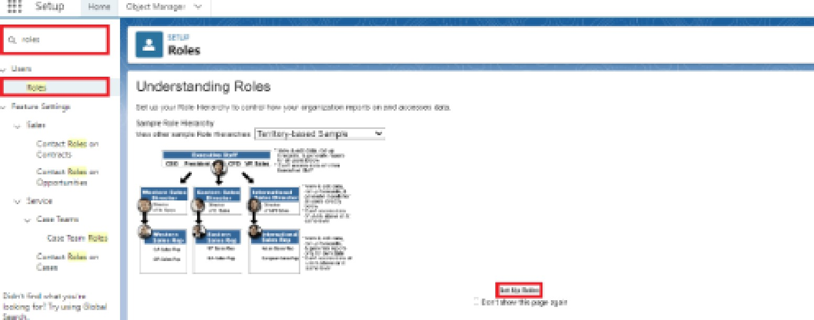
Garage Management system (CRM)
College Name: PPG College Of Arts And Science
College Code: bruap
TEAM ID: NM2025TMID25922
TEAM MEMBERS: 4
Team LeaderName: ASWINI.S
Email: 2326j0195.cas@ppg.edu.in
Team Member: ARUMUGAM.M
Email: 2326j0194.cas@ppg.edu.in
Team Member: BHARATH.R
Email: 2326j0196.cas@ppg.edu.in
TeamMember :DIVYABHARATHY. T
Email: 2326j0197.cas@ppg.edu.in

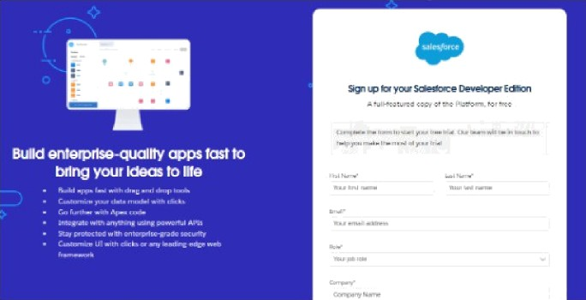
Creating D€›veIope•r Account:
Creatinga developer org in salesforce. 1.Go co https://deveIoper.salesforce com€ignup 2. On the sign up form, enrer the following details :
1. First name & Last name 2. Email 3. Role : Developer 4. Company ! College Name

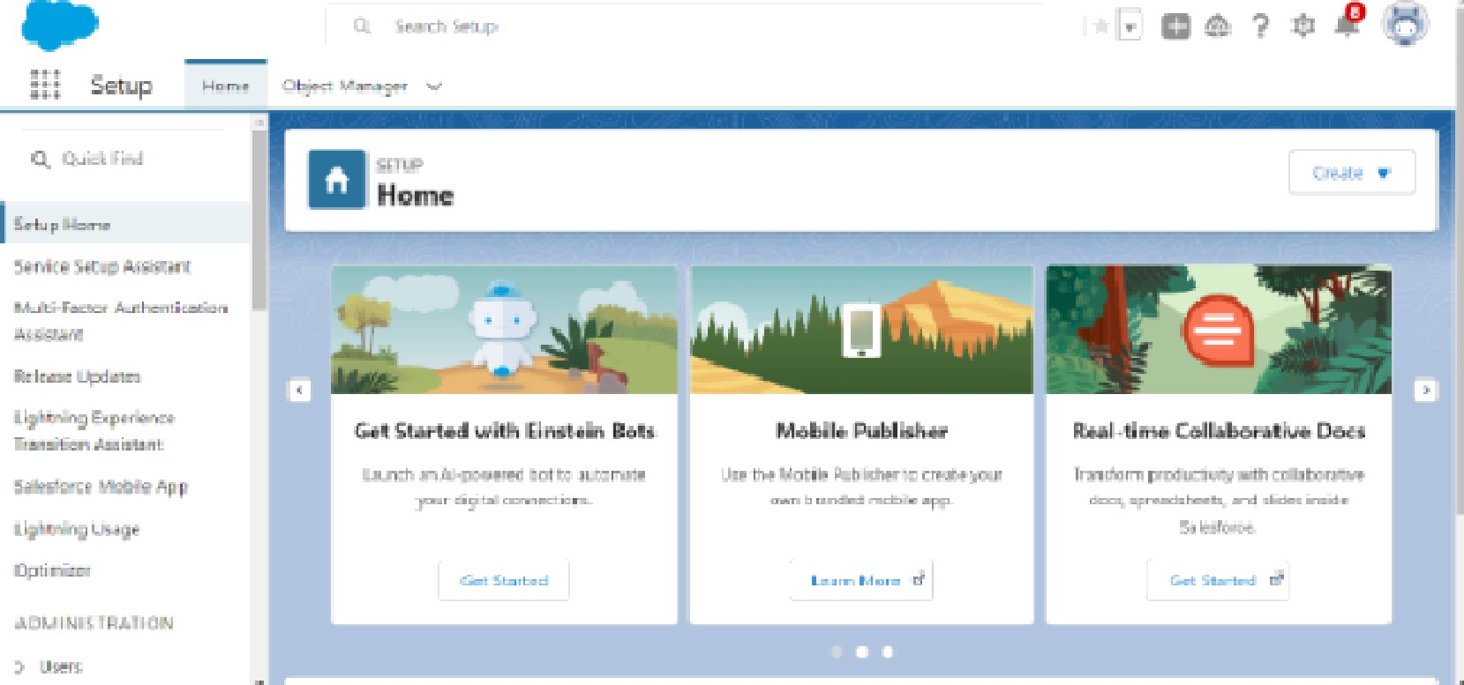
. Go Eo the inbox of the email that you usod while signing up. Click on the verify account to ac£ivace your account. The email may take 5-lOmins.
2. Click on Verify Account 3. Give a password and answer a security question and click on change password.
4. That yOu will rediro0t tO yOuI Salo3fo£0e Setup page.

Create Customer DetailsObject
To create an abjeCt' 1. From the sotu p page >> CIiCk On ObjmE Manager >> Click on Create >> Cl ick on Custom Object. 1. Enter the label name >> Customer Details 2. Plural labol name >> Customer Details 3. Enter Record Name Label and Format • Re-Cord Name >> Customer Name • Da ta Type >> Text 2. Click on Allow re pOrts and TraCk FieId History, 3. Allow search >> Save.
Create Appointment Object
To create an object: 1. From the se£u p page >> Click on Object Manager >> Click on Create >> CIiCk On Custom Object. Enter the labol name >> Appointment Plural label name >> Appointments 3. Enter Rec:ord Name Label and Format • Rmord Name >> Appointmenc Name • Data Type >> Auto Nu mbor • Display Formar >> app—[OOO) • Starting number >> l 2. Click On Allow reports and Track Field History. 3. Allow search >> Save.
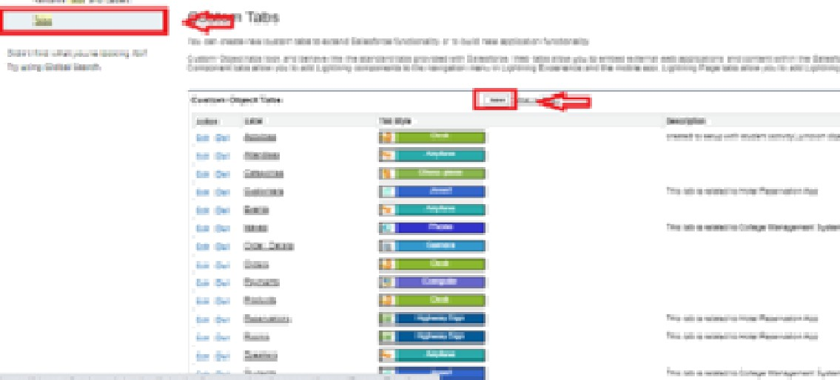

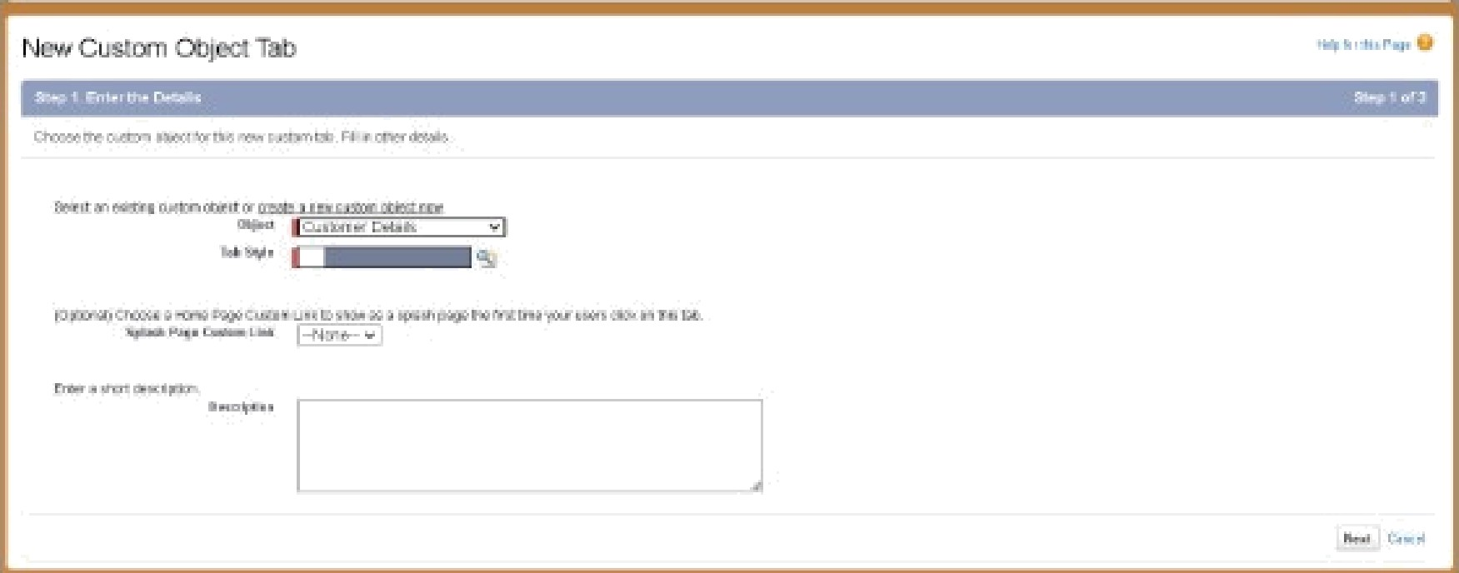
Hide •o1c- włiirn arv u•cd u-i olncr ka-i•

Tzb gaşla gełaęær

• e

re Add Navigation Items:

 | 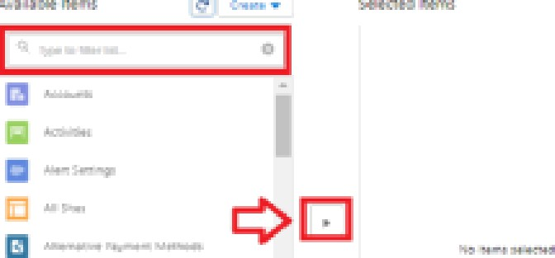

 | 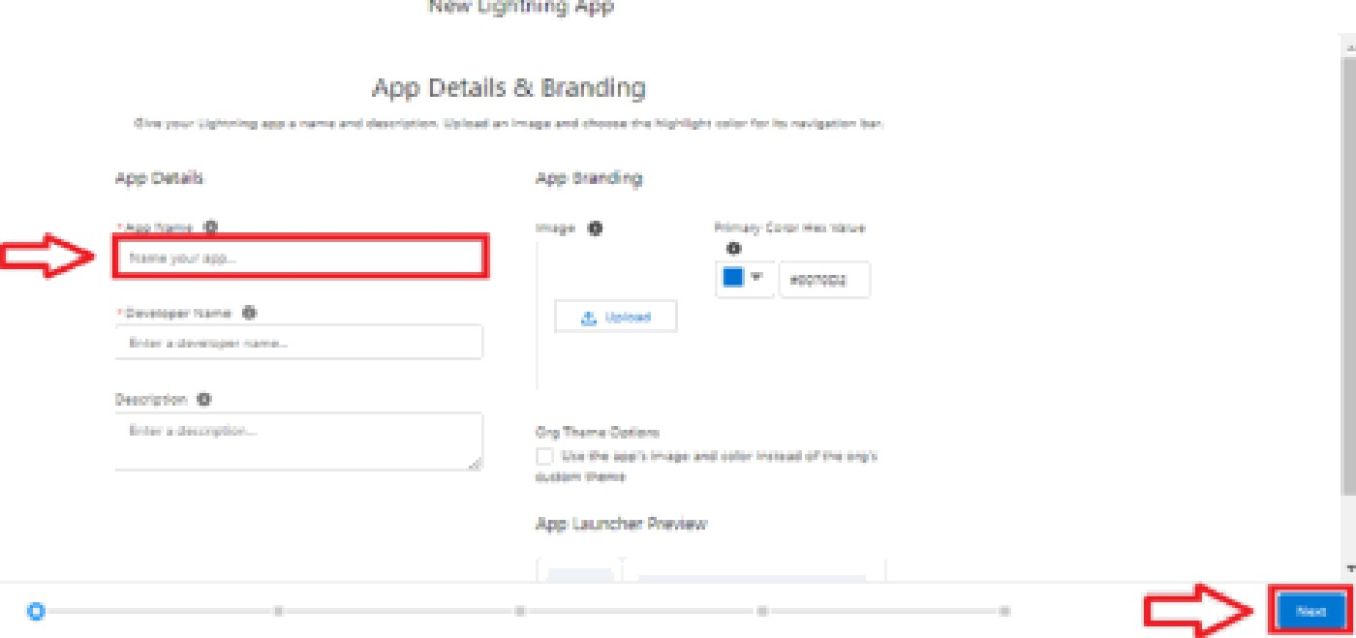

2. Now click on “Fields & Relationships" >> New
.... . | - -• - . • e • z e 9 ”g

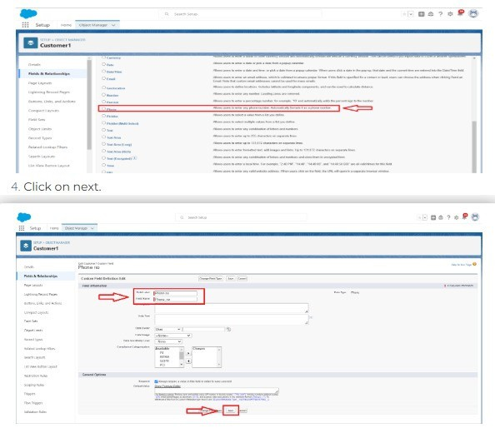

2. Now click on "Fields & Relationships" >> New

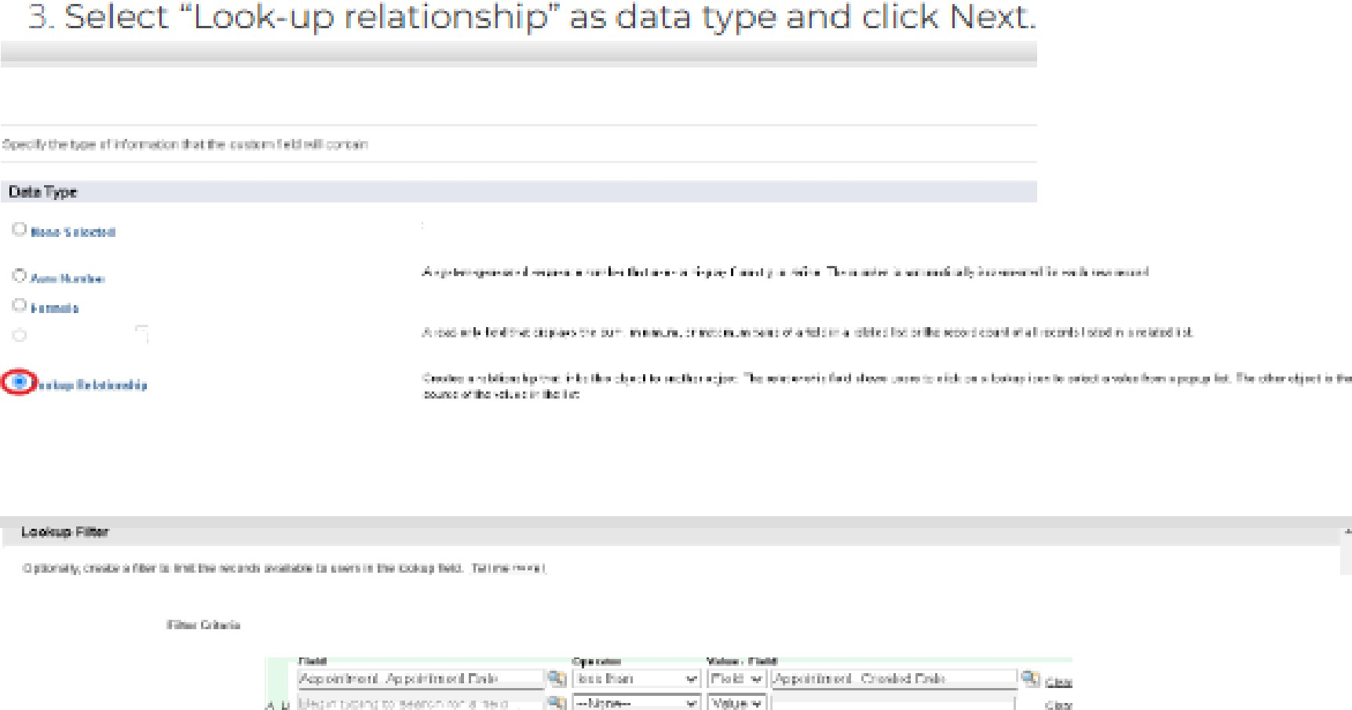

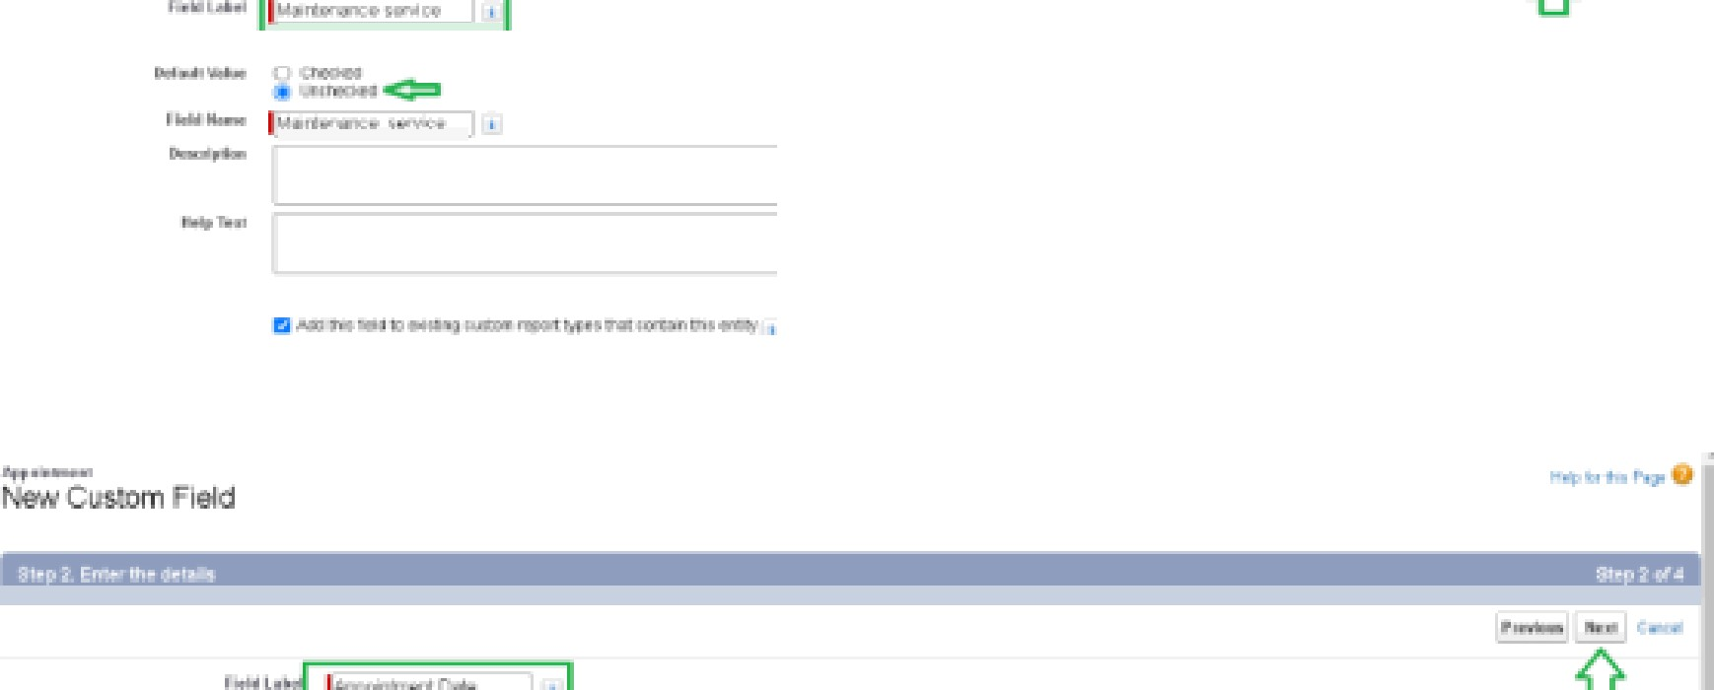
4. Give the Feld Label . Maintenance service 5. Field Name : is auto populated 6. Default value . unchecked

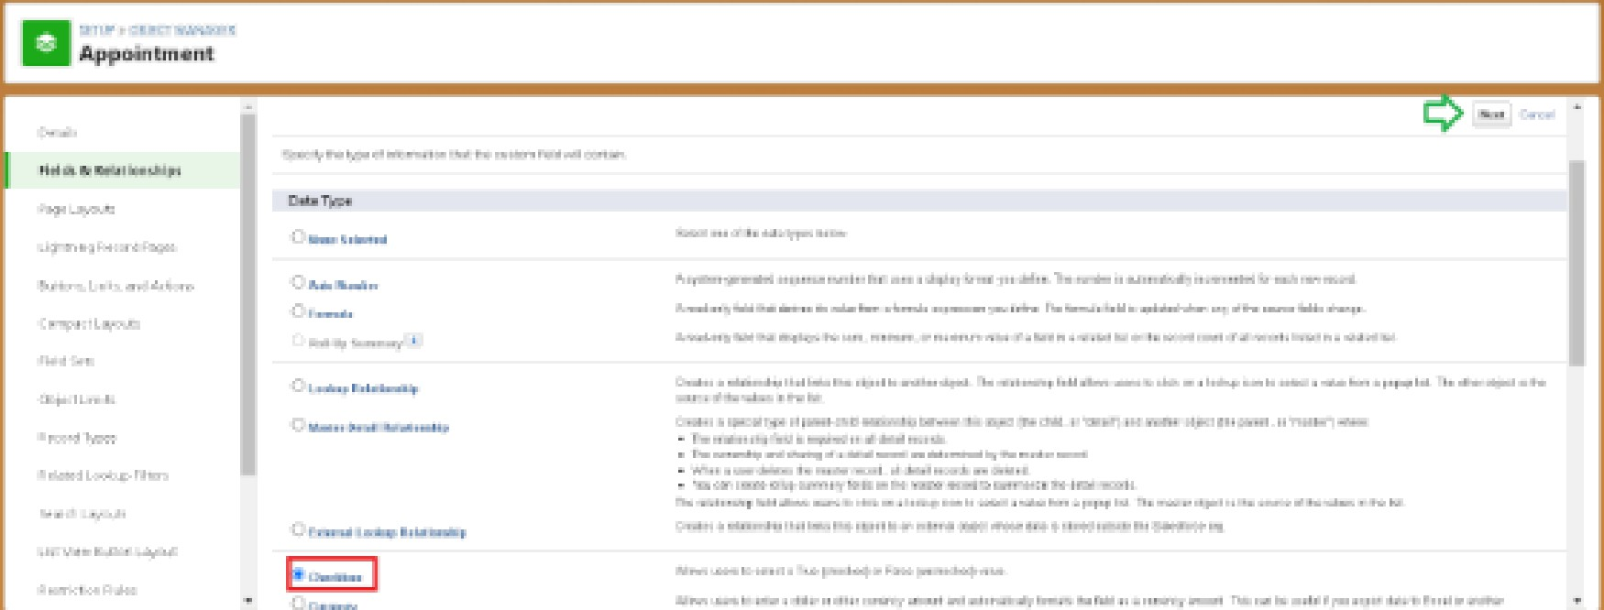

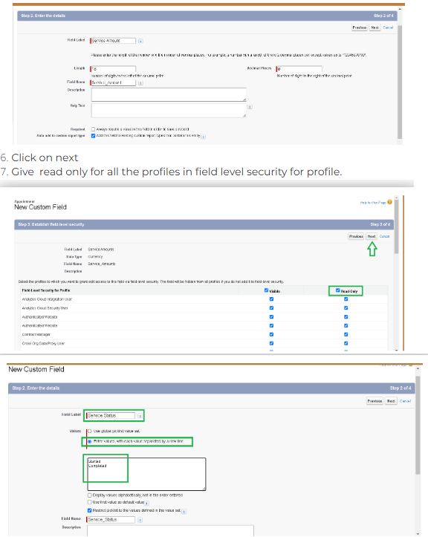

5. Insert field formula should be . CrearedDate
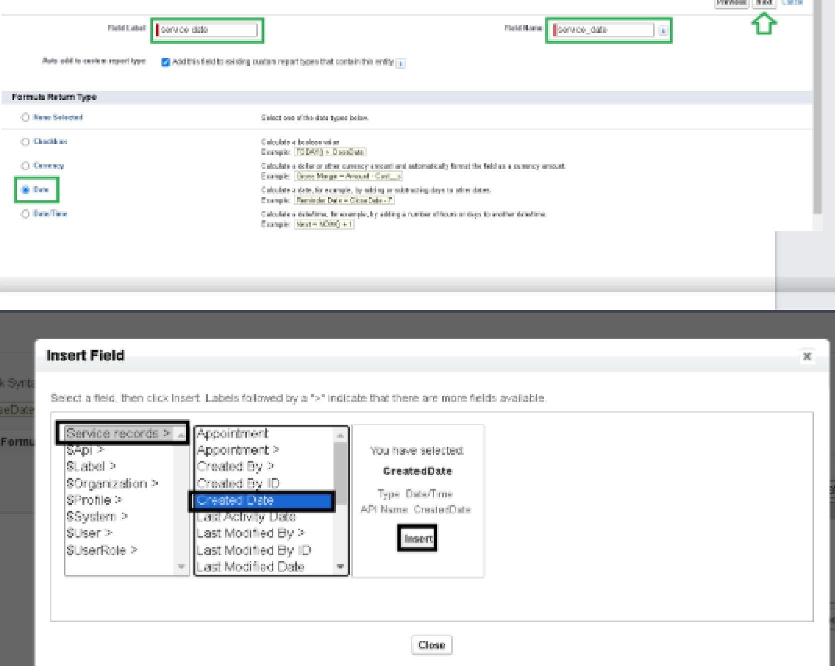

5. Enter the Error Message as “Please enter vaild number “, select the Error location as Field and select the field as "Vehicle number plate", and click Save.
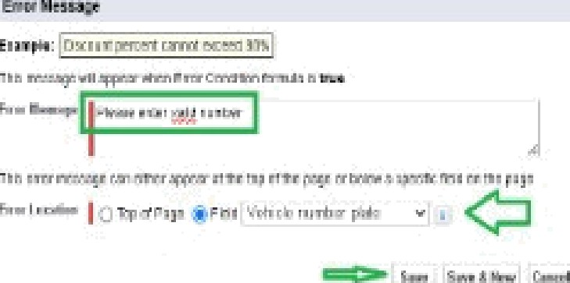
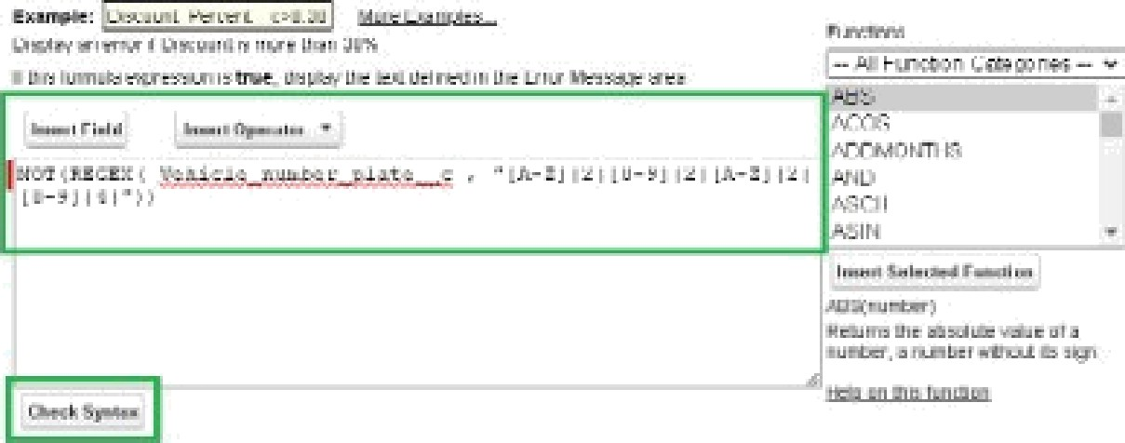

3. Select the object as Customer details and clîck Next.
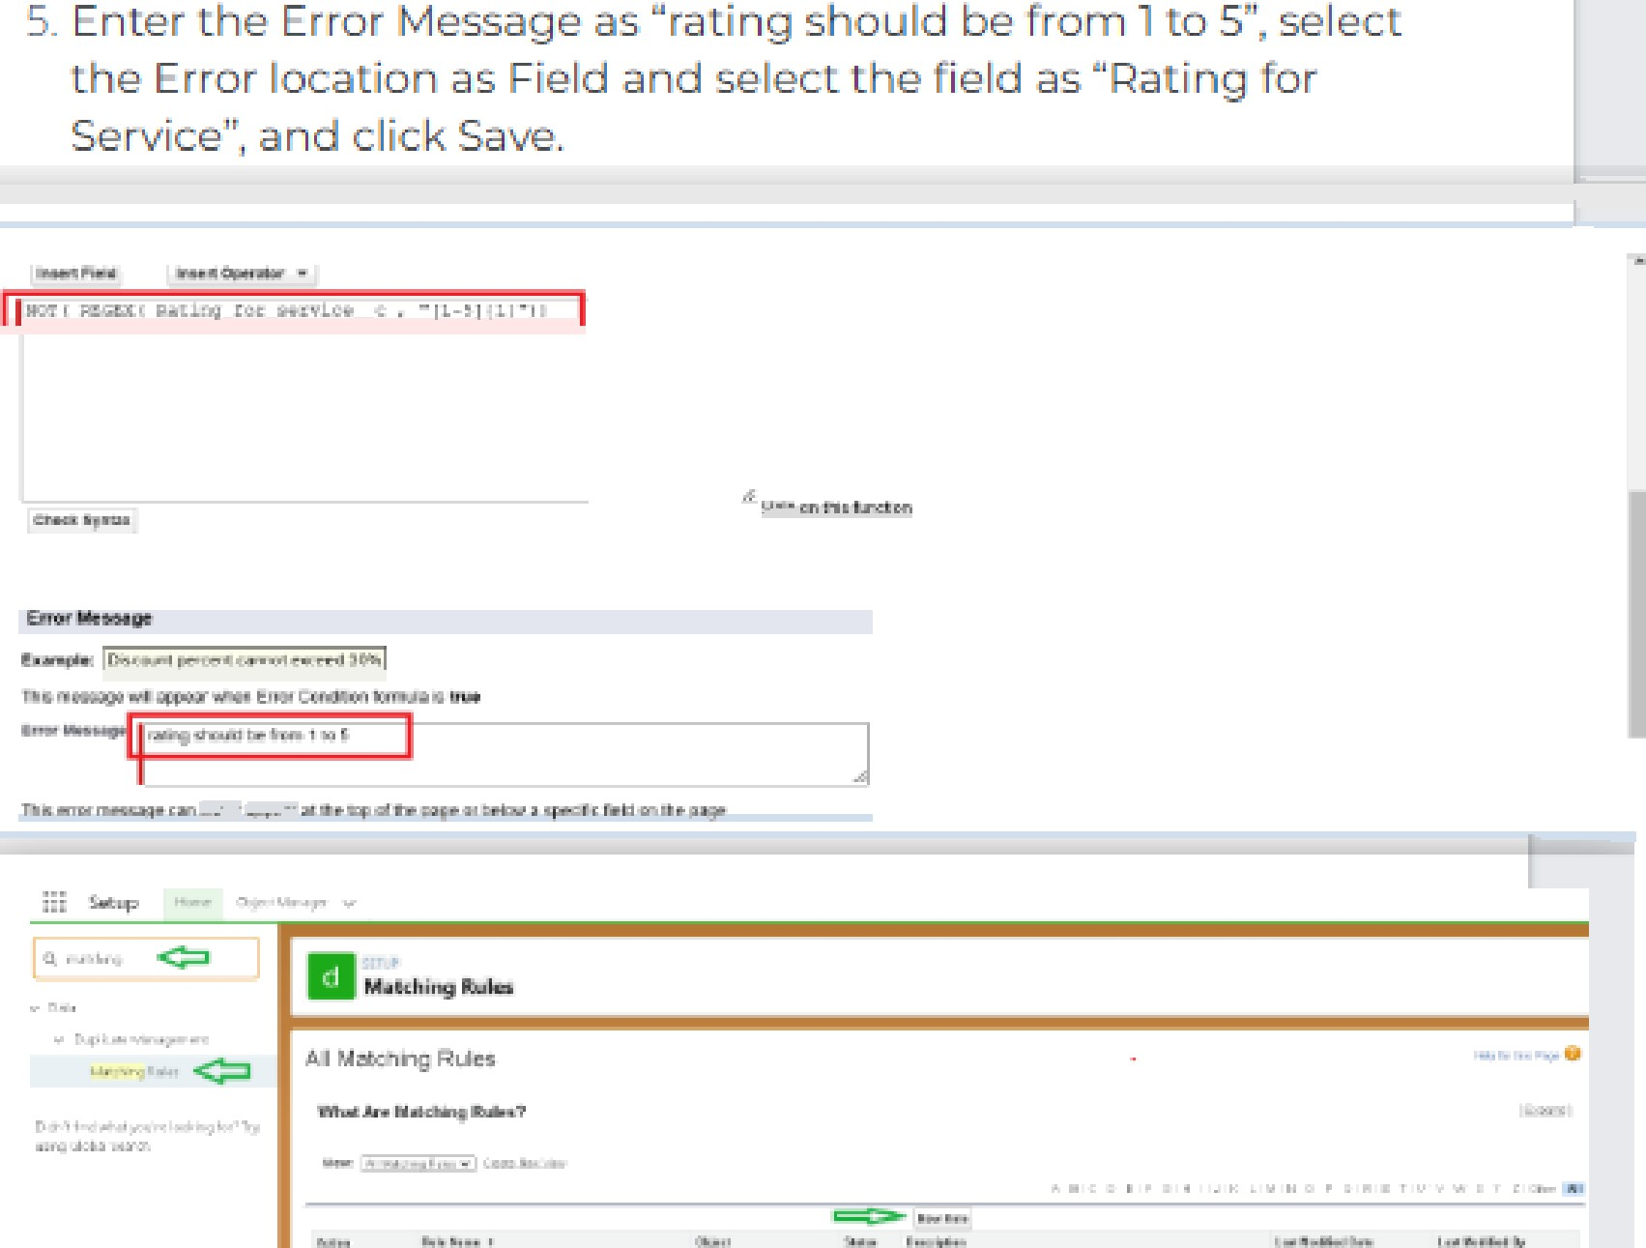

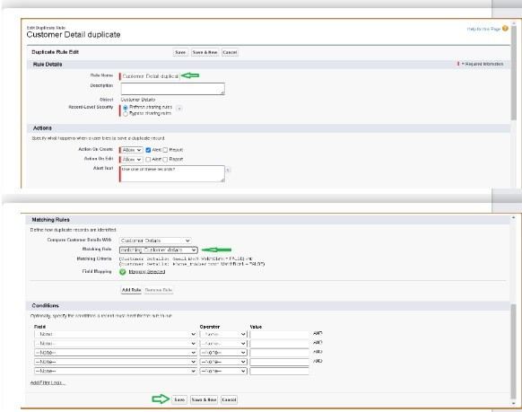

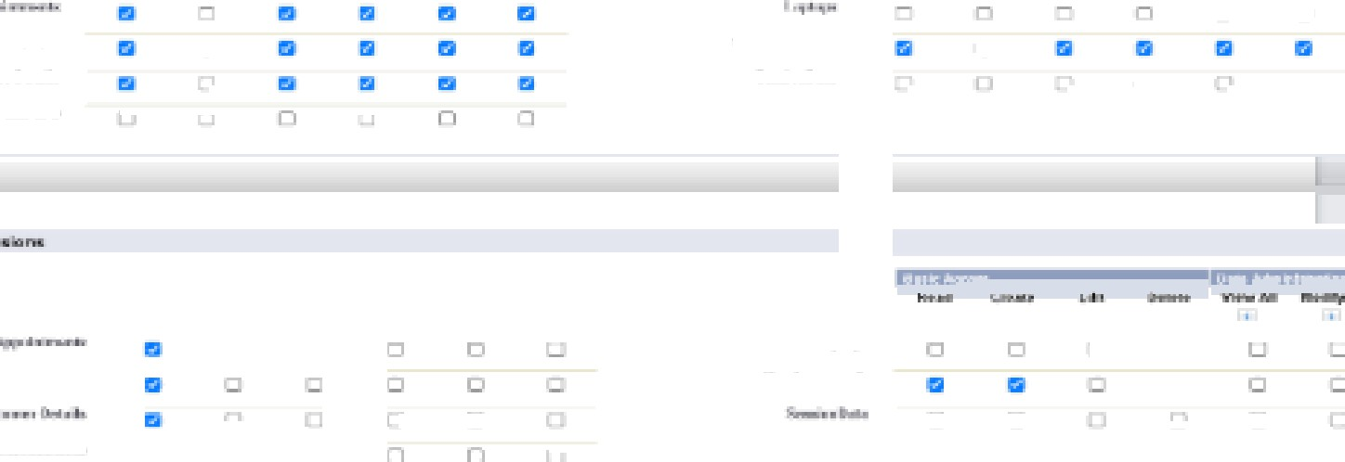
3. Select the Custom App sowings as default for the Garage management.
‘ 4. Scroll down to Custom Objoct Permissions and Give access permissions for Appoinrmenrs,Billinp details and fee‹dback , service records and customer details objects as mentioned in the below diagram.
5. And click save.

g $
lick on Expand All and click on add role under whom this role *arks.
Y¢xzr Oqganizatiou's Role Hierarchy
+U III U3E HI I CxfJ<I f IU W II "” Thesmartbridga -" Add Role Edil | De I | As sig¿ !"” ' Add Role ” CFD Edrt | Del | Assign *”-” Acid Role
Add Role ”' Manger Edit | Del | Aasiqn ATR l S)dñ RRAd ELA| | A gn
. -” SVP, I-luman Raceurcec Edit | Del | Assign *”- A•dd Role O/B. Sales & Marketing Edit I | res A¢Id Role

Table 2
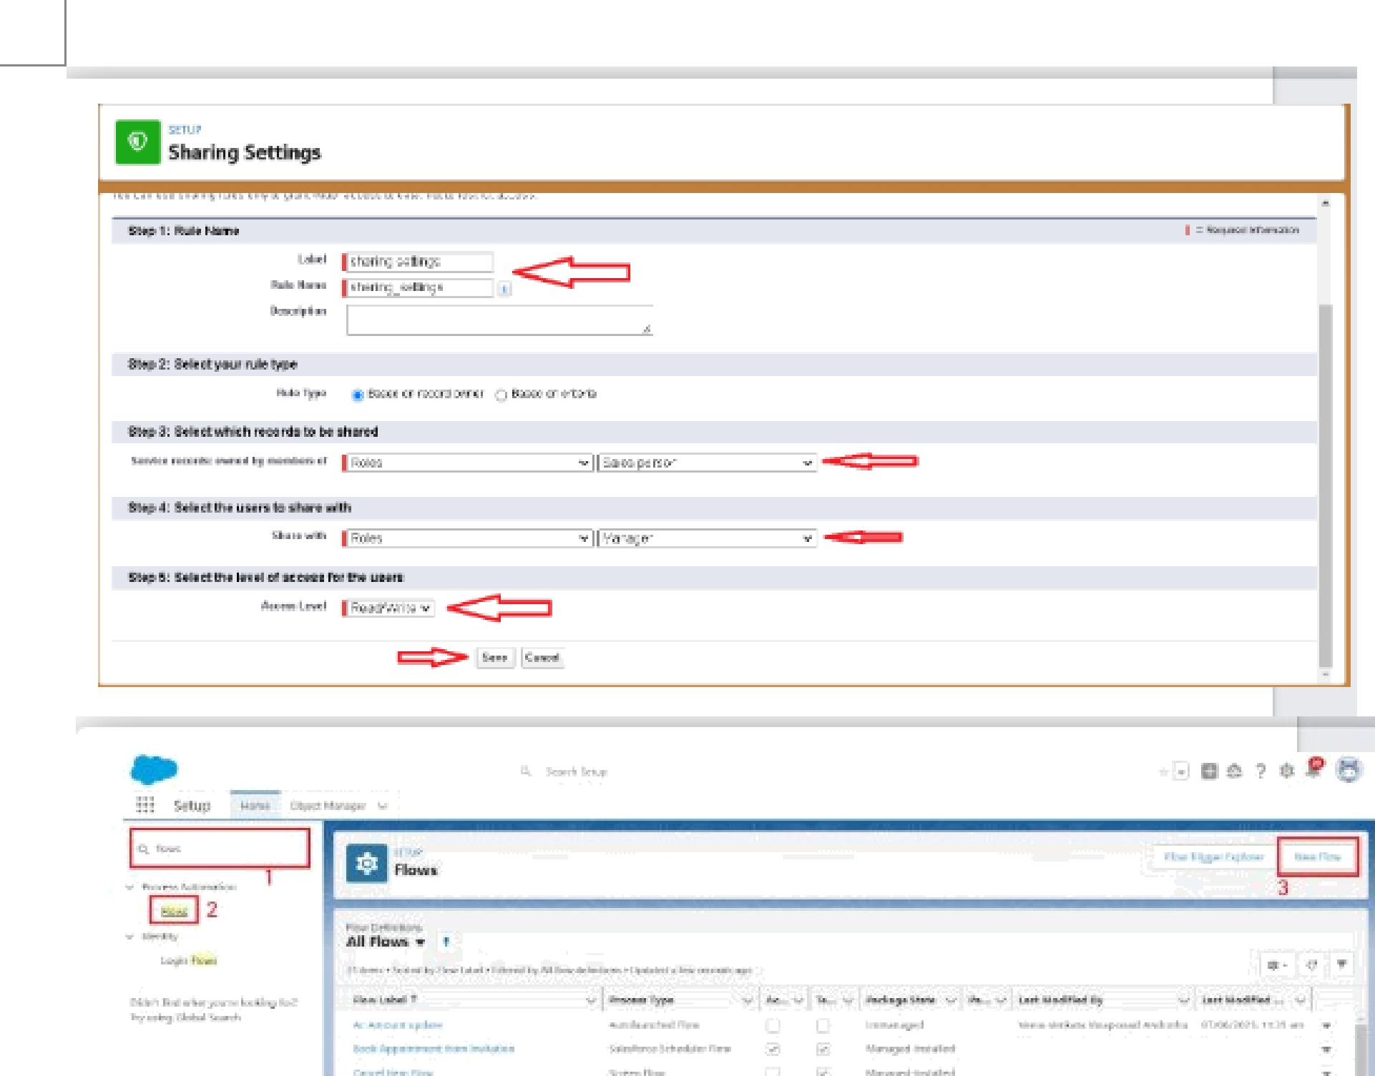
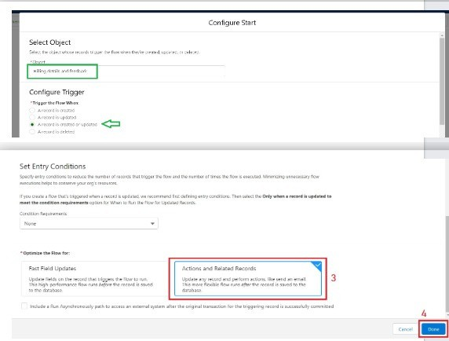
eate User . Go ro setup >> type users in quick find box >> select users >> click New user. . Fill in the fields 1. first Name ! hlikJa us 2. Last Name . Mikaelson 3. Alias . Give a Alias Name 4. Email id : Give your Personal Email id 5. Username . Username should be in this form: text@texLtexE 6. Nick Name : Give a Nickname 7. Role: Manager 8. User licence Salesforce 9. Profiles . Manager

ñr
1
2
-I •

2. Give the Label as "sales team". 3. Group name is autopopulated. 4. Search for Roles. 5. In Available Members select Sales person and click on add it will be moved to selected member. 6. Click on save.

 | 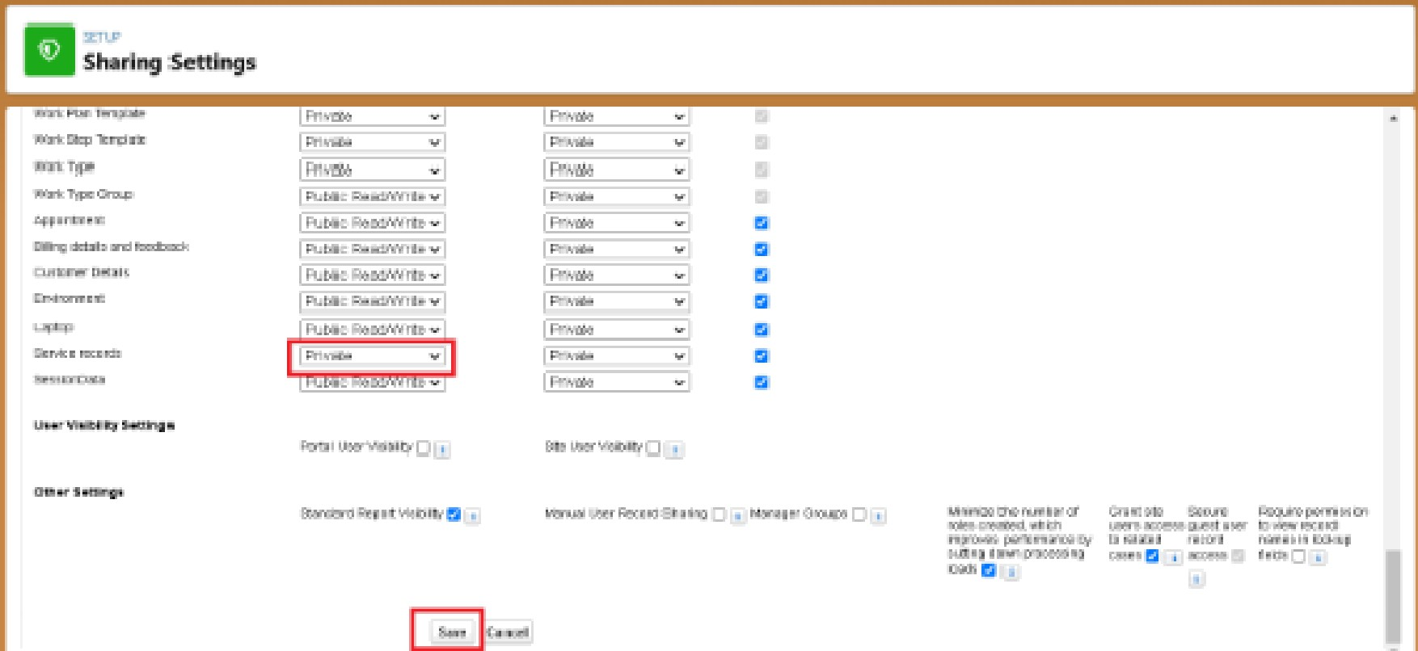

2. Select the Record-triggered flow and Click on Create.
New Flow

Table 3
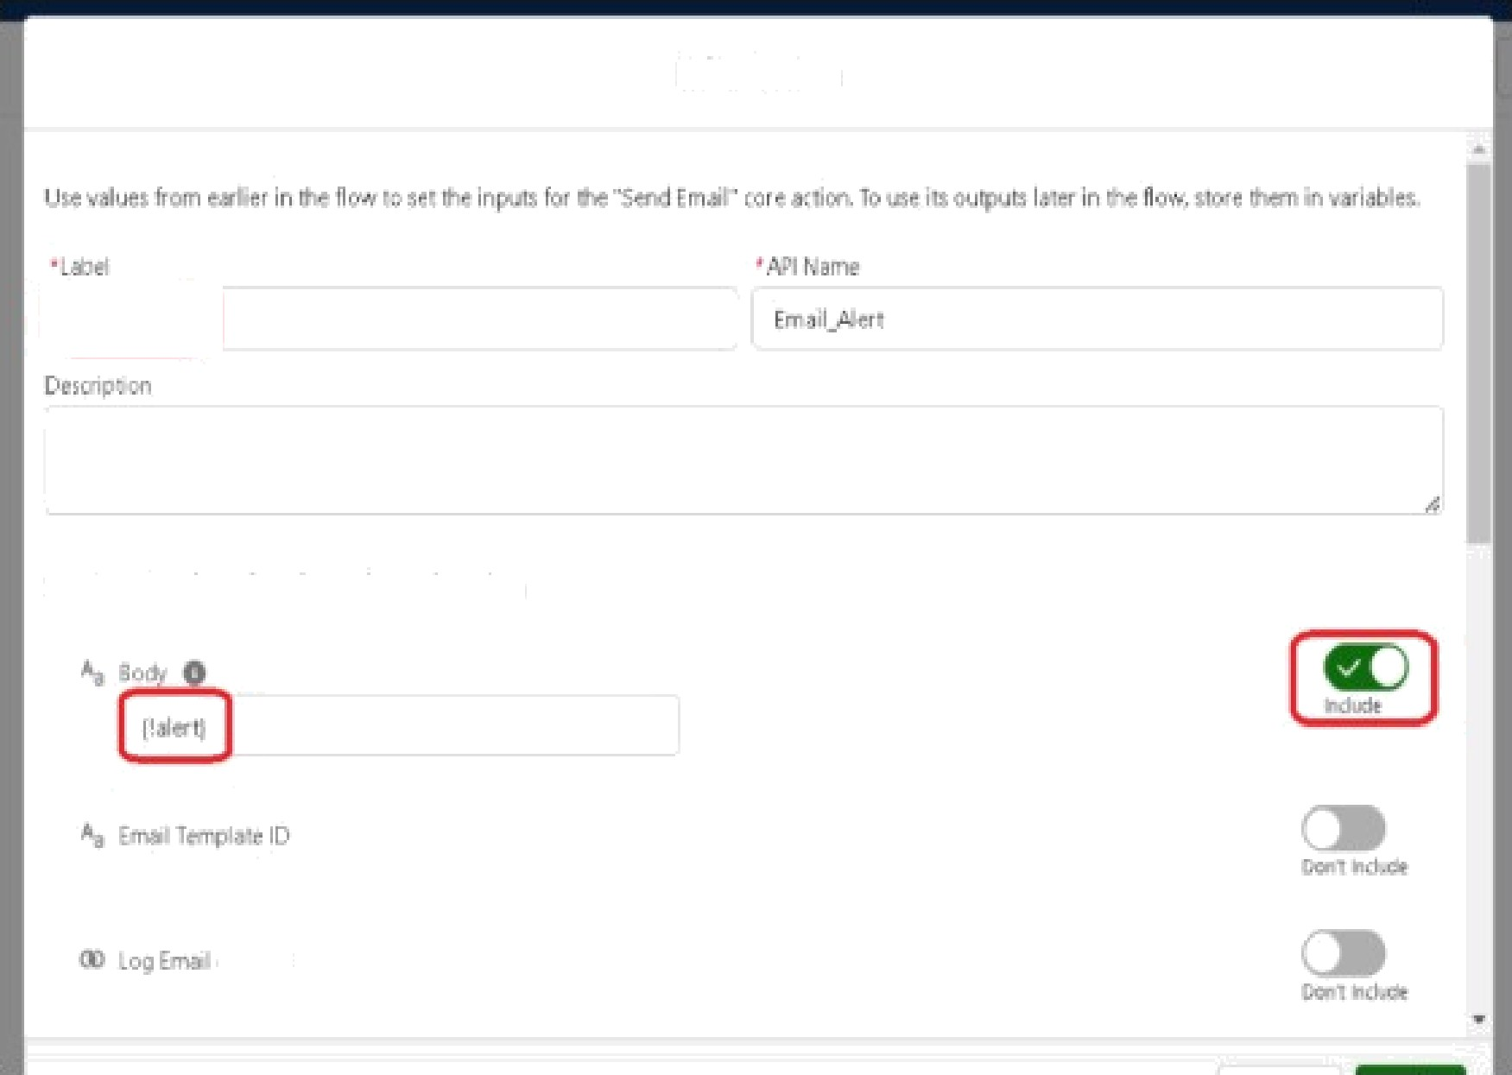
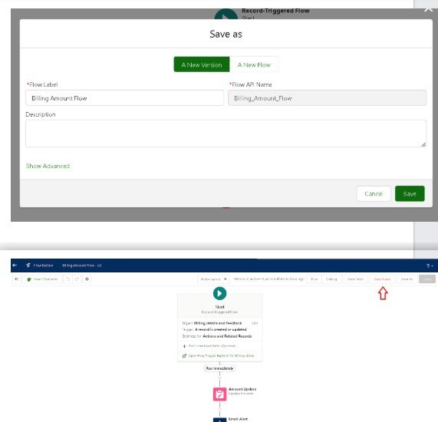
^ i-xrw i» rllu RNA m ++ U gdale Ine M Their Coun G Use -be biIIia_ deLâ- s md IeecE• eck recad fat big -: -1 IIow ldate racra rla-e roll-rc :iIIing e-z'is cd ke'Jt›a:k r°cord wa tr'șge•ed the fIo+ Use :'< IDs s-J all “ • xdues Irum e i e¢crd cr •-ui d :o' e‹ fie
Set £iher Cmnd itiom
Field t vdCxdéo | Opr-a1cr kouals
set field VaLzs for clx' Billing cX'taiIs arxl feedback Record r eio

Edit Action
Set In[›ut Values Jar tke Selected Åclicm
ro !iend

Table 4
New flow
€:ondféur• iremerits to Update kecord
Field operator Ch us c Equals -|- AJ<l tor«Ji lion Set Field Values for the Senñce record Record |  | value

All Conditior+s Are Met D}
-w

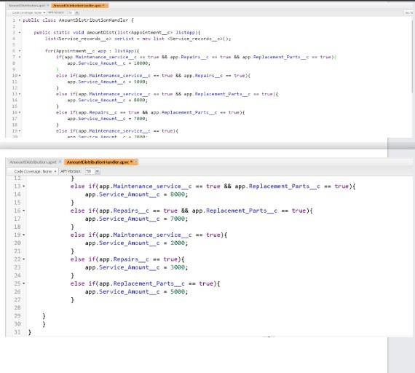

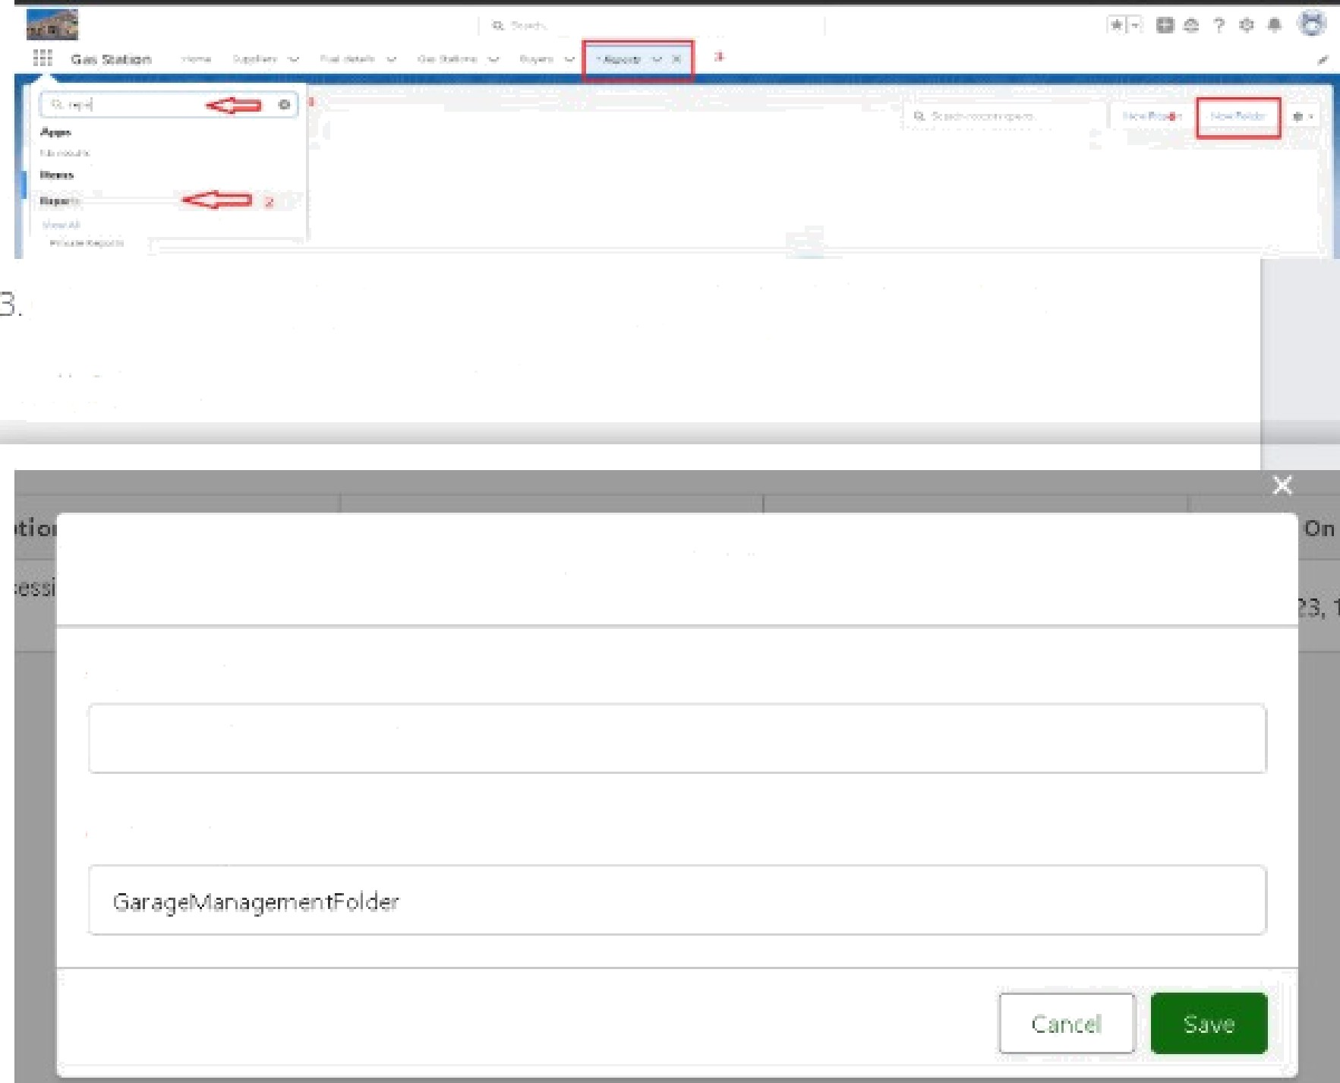
Give the Folder label as "Garage Management Folder", Folder unique name will be auto populated.
4. Click save.
Create folder
• Fol,ñer l.eh.°.I
Garage Mgngqement Folder
° Fol Jer Uni que Ham e
1. Click on the app launcher and search for reports 2. Click on the report tab, click on now folder.

Share folder
Thesa sharing sett ngs apply to all subfolders in this folder.
Share With
Names
w Who Can Access
sung 1
Users
Manage
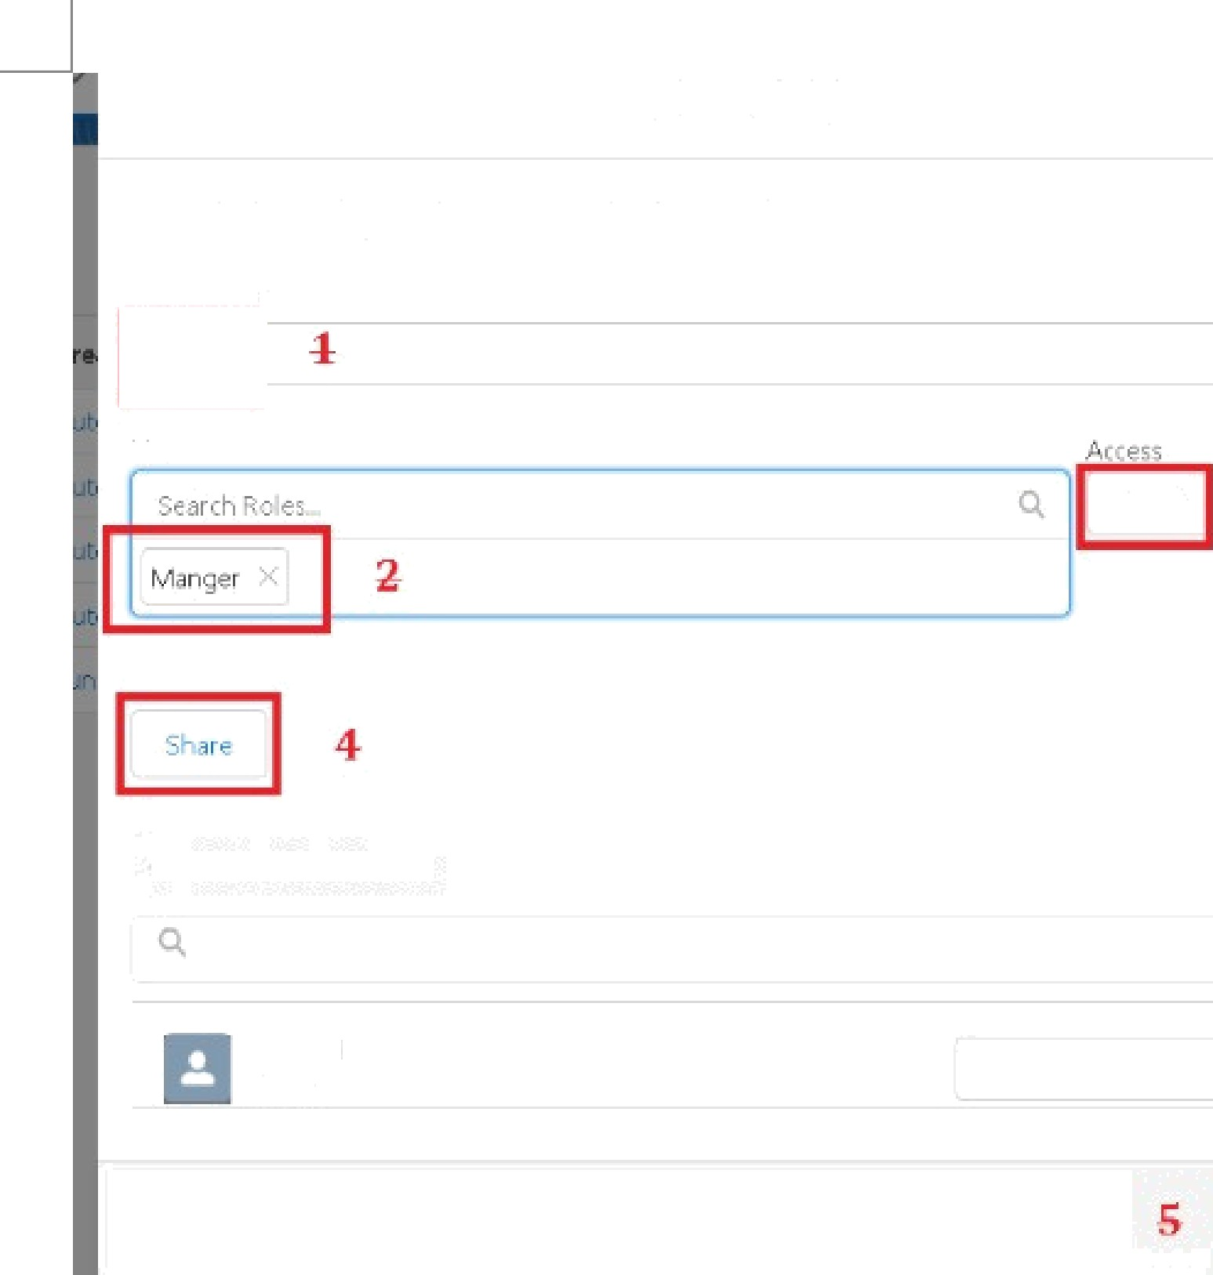

Ah Cuezcrr Reoon Twp•a
 | 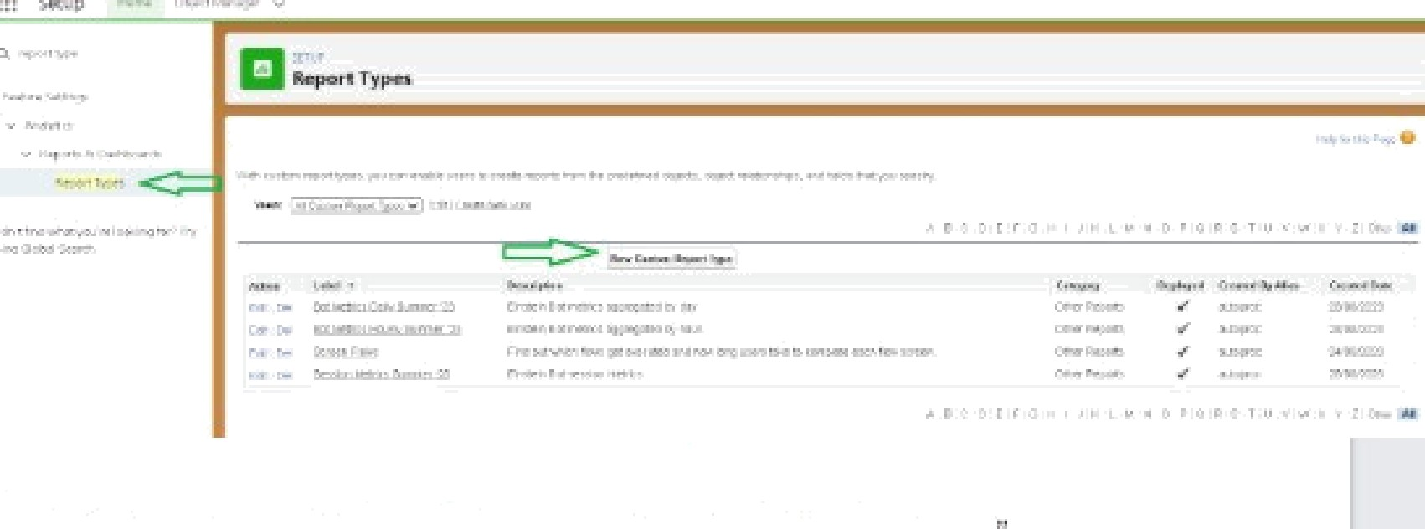 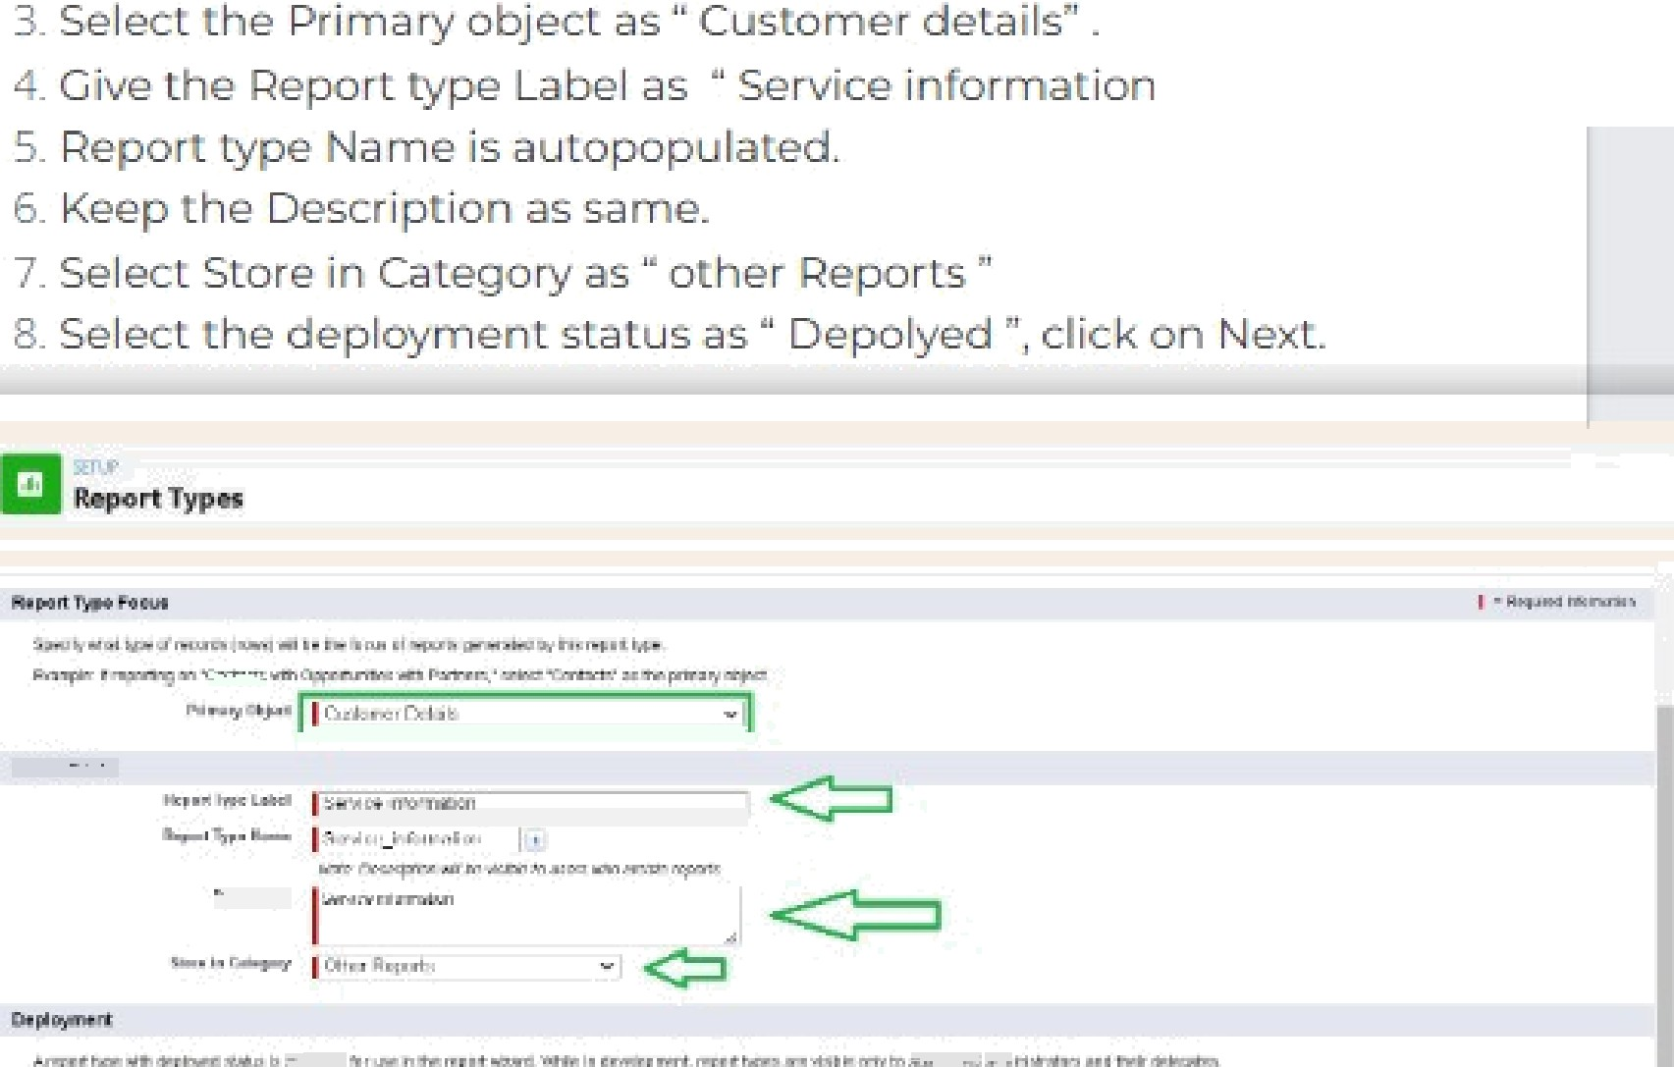

Customer Details
Prlmary OBject
Step 2. Define Report Records Set
TLiIs report type wlll generBa° reports a 0oM Cu9Lomer Details Y0u nisy oetne Mlcn related record s hon other a Ojeca a‘
(Olick to ieIate aroltier able.*)

 | 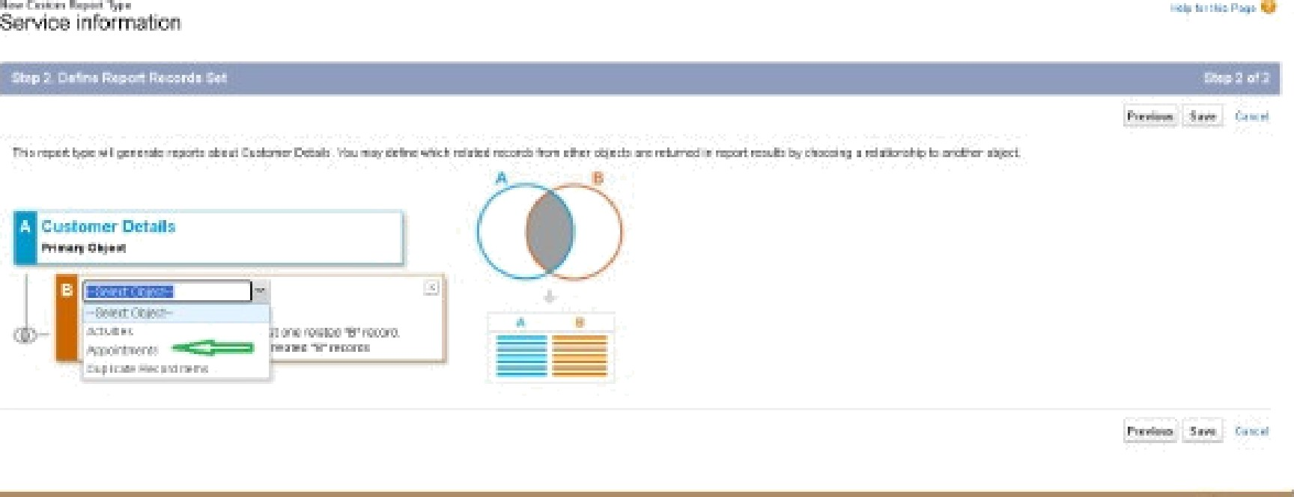

Ake B Relaoensnlp:
@E acn 'A' reco rd must hav= at ieast cone related "B" record. "A" records may or may nu' fil 0 r0Ia'pd '@' f06Jrd5

Table 5
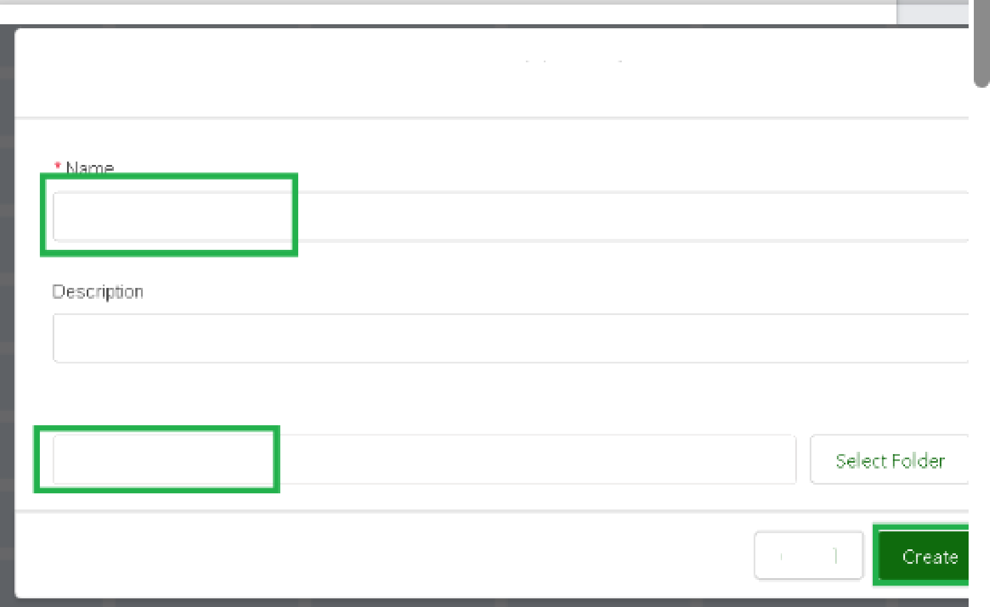
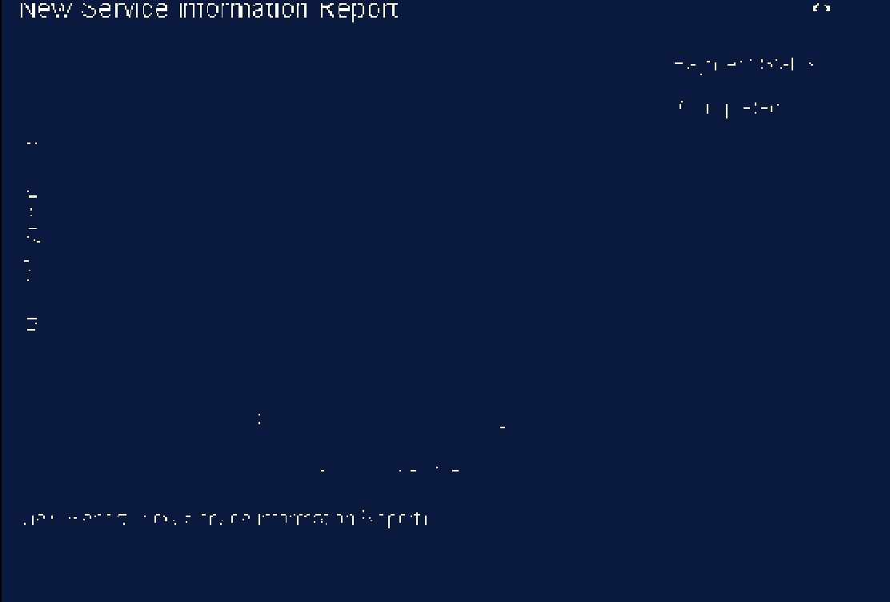
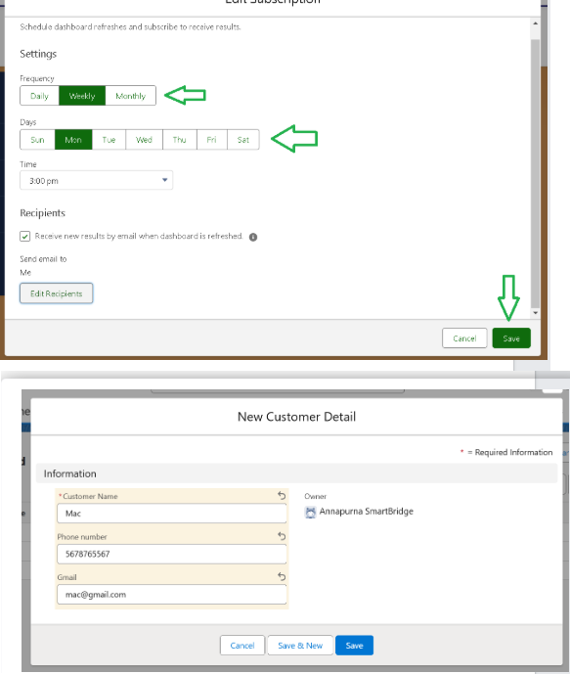
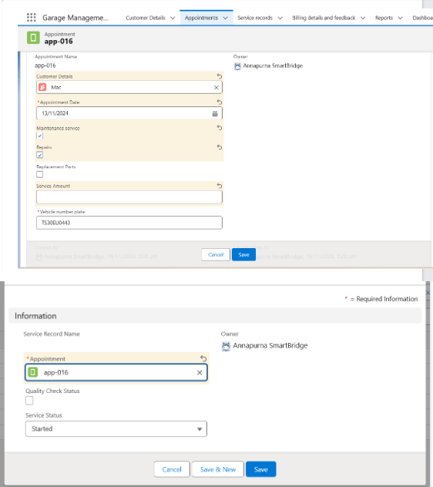
IIIIII•

Create folder
r.•r,1« r‹afn•
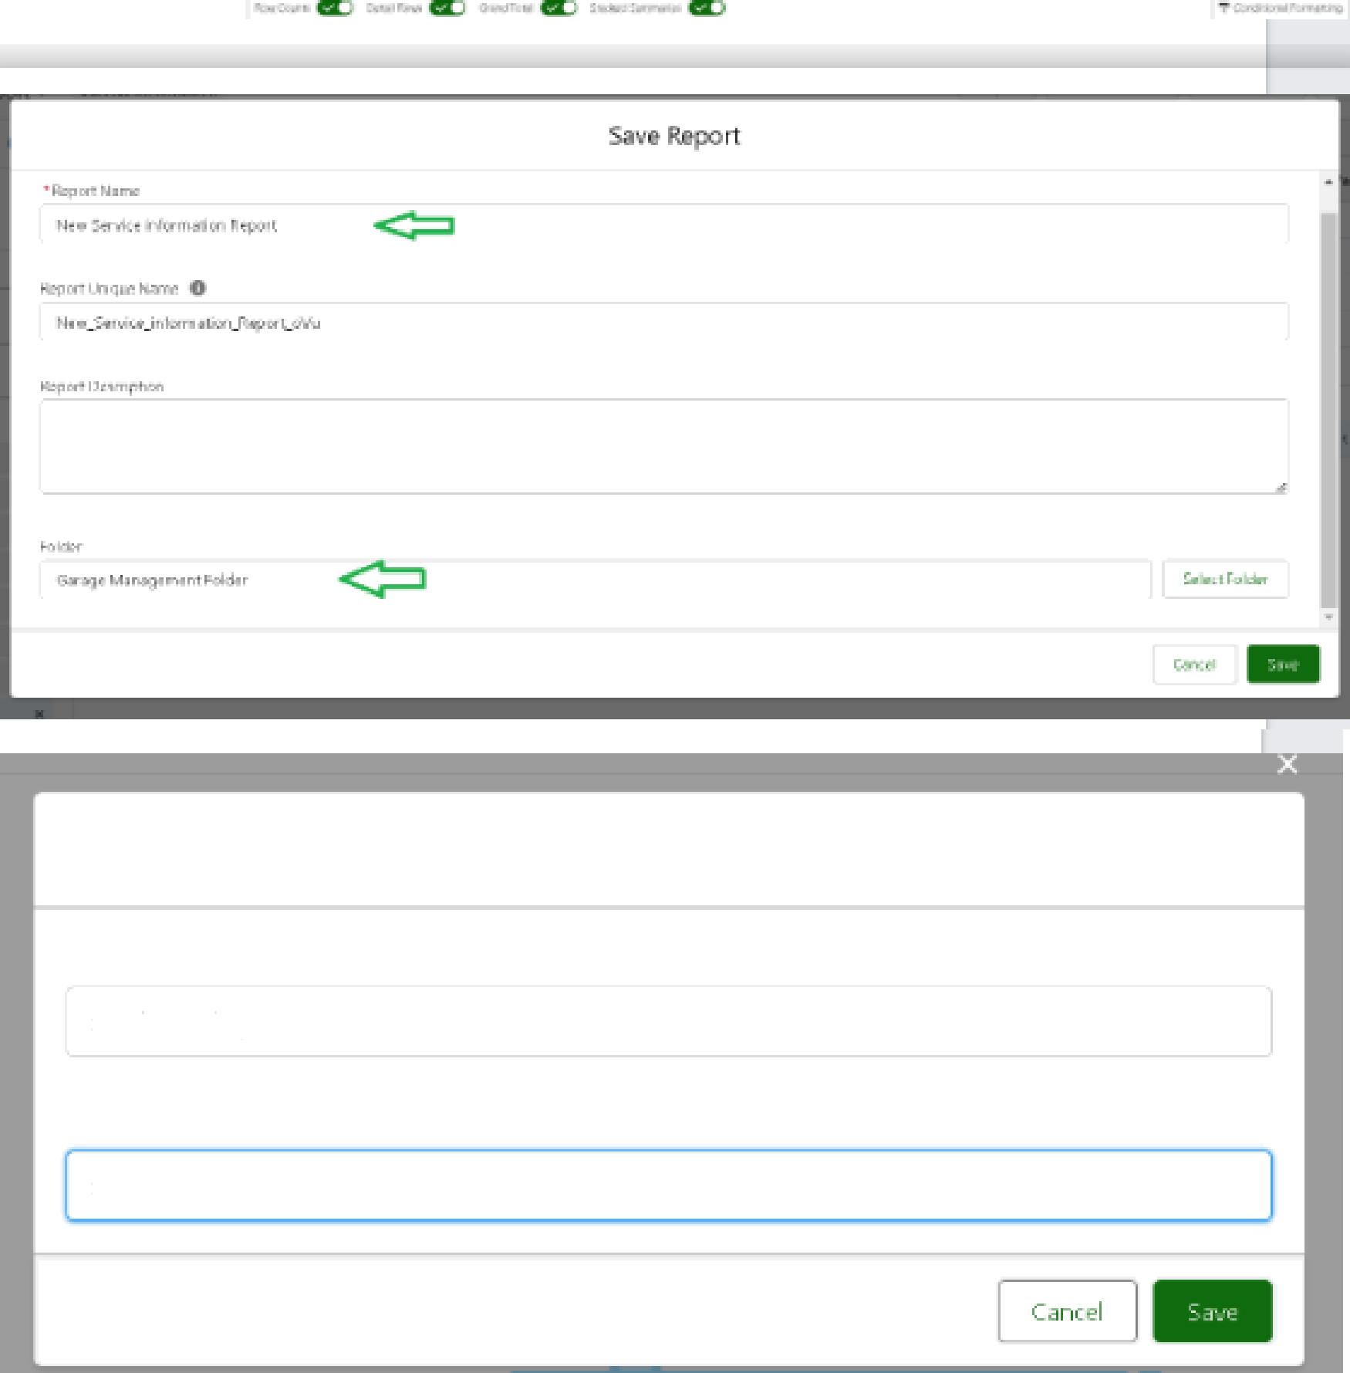

3. Selecr add component.

New Dashboard
Cust0fT!ĘFFĘV|Ęń/I/
F Dld9I'
Semce Raüng
Cancgl

Table 6
Service Record Name ser-010 " \ppoiMmeM app-016 Oueliry 0-r•cJs Status service date 18/11/2024 F/zi”s /J”efd is crrJccffofeo' rfpon some OIG | 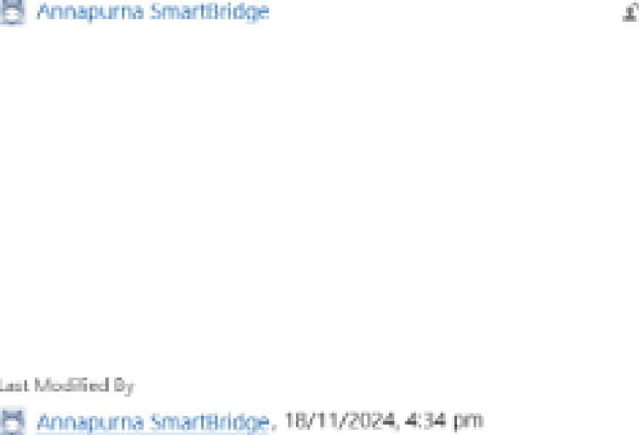 Owner @ Anrupuma SmartBridge

